Task 3.4
Task 3.4: Working with multicolor pallets
 |  |  |  |  |  |  |  |  |  |  | Process Flowchart :

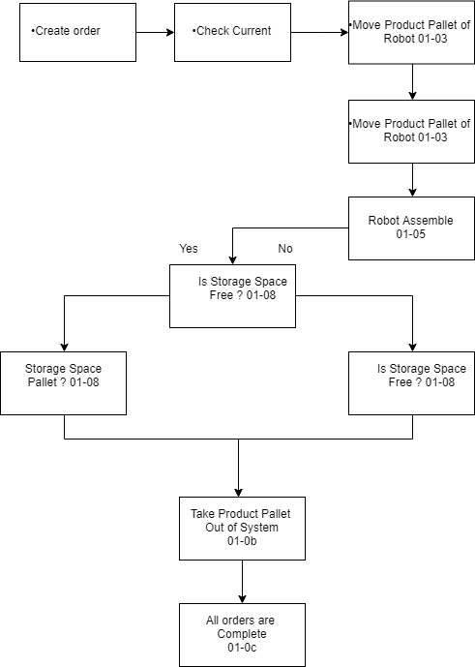
No. of Commands | Work Flow Level | Station | Command | Description | Time in seconds | Waiting time | Circle Time | Throughput Time | Working time | Transport time
 | 01 01 |  |  | Create Order
1 | 01 02 | Storage | K001 | Request amount of a stored smarties of a colour
2 | 01 03 | Transport | K001 | Request empthy carriage | 40 | 15 |  |  |  | 40
3 |  | EAStation | K004 | Add empthy product pallet | 12 | 15
4 |  | Transport | K003 | Reposition carriage | 37 | 15 |  |  |  | 37
5 |  | Roboter | K001 | Take product pallet from transport belt | 14 | 15 |  |  | 14
6 |  | Transport | K002 | Release carriage | 0 | 15 |  | 178 |  | 0
7 | 01 04 | Transport | K001 | Request empthy carriage | 35 | 15 |  |  |  | 35
8 |  | Storage | K005 | Remove pallet with smarties | 15 | 15
9 |  | Transport | K003 | Reposition carriage | 15 | 15 |  |  |  | 15
10 |  | Roboter | K000 | Take storage pallet from transport belt | 17 | 15 |  |  | 17
11 |  | Transport | K002 | Release carriage | 0 | 15 |  | 157 |  | 0
12 | 01 05 | Roboter | K002 | Fill product-pallet | 14 | 15 |  | 29 | 14
15 | 01 08 | Storage | K003 | Request amount of empty places in storage | 0 | 15 |  | 15
16 | 01 09 | Transport | K003 | Reposition carriage | 49 | 15 |  |  |  | 49
17 |  | Storage | K004 | Store pallet | 16 | 15
18 |  | Transport | K002 | Release carriage | 0 | 15 |  | 110 |  | 0
21 | 01 0b | Roboter | K004 | Move product pallet to transport belt | 15 | 15 |  |  | 15
22 |  | Transport | K003 | Reposition carriage | 54 | 15 |  |  |  | 54
23 |  | EAStation | K001 | Remove product pallet | 11 | 15
24 |  | Transport | K002 | Release carriage | 0 | 15 |  |  | 0 | 0
25 |  | Storage | K001 | Request amount of stoted smarties of a color | 0 | 15 |  | 155
 | 01 0c |  |  | All Orders are compiled
 |  |  |  | Total | 344 | 300 | 644 | 644

Total circle tme for each order (Task 3.4) Circle Time calculated on the basis of multicolour storage pallet.
Order Nr. | Customer | Order pattern | Color Changes | Workflow 01_01 to 01_03 | Workflow 01_04 to 01_0a | Workflow 01_0a to 01_0c | Total Wating Time | Total circle time

V-201400 | Frey KG | rrr---rrr------------------------------------------------------ | 1 | 103 | 161 | 80 | 300 | 644
V-201410 | Sandy Graham LTD | gg-r---bwy----yyy------b-b-b-b-b--www------rrrrrrr-----ggggg | 5 | 103 | 161 | 80 | 300 | 644
V-201420 | Natural Foods GmbH | gggggggggggggggggggggrrrrrrrgggggggrrrrrrrggggggggggggggggggggg | 2 | 103 | 161 | 80 | 300 | 644
 |  |  |  |  |  |  | Total | 1932

Total circle tme for each order (Task 3.1) circle time is calculated on the basis of actual work flow
Order Nr. | Customer | Order pattern | Color Changes | Workflow 01_01 to 01_03 | Workflow 01_04 to 01_0a | Workflow 01_0a to 01_0c | total Wating Time | total circle time

V-201400 | Frey KG | rrr---rrr------------------------------------------------------ | 1 | 103 | 229 | 130 | 345 | 807
V-201410 | Sandy Graham LTD | gg-r---bwy----yyy------b-b-b-b-b--www------rrrrrrr-----ggggg | 5 | 103 | 1145 | 130 | 1065 | 2443
V-201420 | Natural Foods GmbH | gggggggggggggggggggggrrrrrrrgggggggrrrrrrrggggggggggggggggggggg | 2 | 103 | 458 | 130 | 525 | 1216
 |  |  |  |  |  |  | Total | 4466

Total circle tme for each order (Task 3.2) Circle time calculated by removing unnecessary commands and task
Order Nr. | Customer | Order pattern | Color Changes | Workflow 01_01 to 01_03 | Workflow 01_04 to 01_0a | Workflow 01_0a to 01_0c | Total Wating Time | Total circle time

V-201400 | Frey KG | rrr---rrr------------------------------------------------------ | 1 | 103 | 161 | 80 | 300 | 644
V-201410 | Sandy Graham LTD | gg-r---bwy----yyy------b-b-b-b-b--www------rrrrrrr-----ggggg | 5 | 103 | 805 | 80 | 900 | 1888
V-201420 | Natural Foods GmbH | gggggggggggggggggggggrrrrrrrgggggggrrrrrrrggggggggggggggggggggg | 2 | 103 | 322 | 80 | 450 | 955
 |  |  |  |  |  |  | Total | 3487

Total circle tme for each order (Task 3.3) Circle time calculated by replacing robot by IO/EA station
Order Nr. | Customer | Order pattern | Color Changes | Workflow 01_01 to 01_03 | Workflow 01_04 to 01_0a | Workflow 01_0a to 01_0c | Total Wating Time | Total circle time

V-201400 | Frey KG | rrr---rrr------------------------------------------------------ | 1 | 131 | 299 | 160 | 345 | 935
V-201410 | Sandy Graham LTD | gg-r---bwy----yyy------b-b-b-b-b--www------rrrrrrr-----ggggg | 5 | 131 | 1495 | 160 | 945 | 2731
V-201420 | Natural Foods GmbH | gggggggggggggggggggggrrrrrrrgggggggrrrrrrrggggggggggggggggggggg | 2 | 131 | 598 | 160 | 495 | 1384
 |  |  |  |  |  |  | Total | 5050

For order of Frey kg, the entire work flow, will be same as done in task 3.2 (by eliminating the unnecessary task 01_06 ie task "is storage pallet empty", we can save the time as done in task 3.2. similar scenario is applid for each order in this this work flow as well.) For order Sandy Graham LTD, this order requires 5 different colour and the total of 29 smarties.the capacity of storage pallet is 91 so 29 smarties with 5 different colours can be accomoadated in the storage pallet By doing this the entire order will be completed at one go instead of repeating the process from Task 1-04 to 1-0a for 5 different times for 5 different colours For order Natural foods Gmbh, this order requires 2 different colour and the total of 63 smarties. the capacity of storage pallet is 91 so 63 smarties with 2 different colours can be accomoadated in the storage pallet By doing this the entire order will be completed at one go instead of repeating the process from Task 1-04 to 1-0a for 5 different times for 5 different colours. In this workflow, the process\task 1-0a (is productpallet ready?) is eliminated because the product pallet by default will be ready when the storage pallet will contain different colours and diferent combinations.

